Sheet1
DASHBOARD NAME | METRIC NAME | Business description/definition | Category | Sub Category | Tier | Reporting Source | Strategic/Operational Audience | Responsibility | Accountability | Frequency | Status | SME | Metric Owner | LINK TO Metrics | Source of Data | Metric data type | Inclusion | Exclusion | Calculations | Data Source | Line Function | Image 1 | Image 2 | Image 3 | Image 4 | Image 5 | Image 6
NIBR | Cost Per Patient (Completed trials) | Median(Total External Lifetime costs per trial including projected numbers) for studies with CSR Actual achieved in the reporting year. | Cost |  |  | SONAR, HORIZON, IMPACT | Operational |  |  | Monthly | Active | Divya | Punith | go/nibrkpi | SONAR, HORIZON, IMPACT | Median of Total External Lifetime costs per trial (Numeric) | 1. WP Ownership: CSI 2. Funding source: NIBR and NIBR/GDD for Clinical Study type: PoC, First in Human, First in Human & PoC 3. Funding source: All for Clinical Study type: Clin Pharm/ Mechanistic/ NoPHIS/ Phase I Other 4. For Clinical Study type: PoC, First in Human, First in Human & PoC use only following providing orgs for calculations: o PROVIDING_ORGANIZATION: 3201 o NIBR TM-CSI, 4347 NIBR TM-CSI EXPL BIO 5. For Clinical Study type: Clin Pharm/ Mechanistic/ NoPHIS/ Phase I Other: o Use all providing orgs for calculations | 1. Exclude â€œTerminatedâ€ Work Status 2. Exclude internal cost types | Median([Total External cost including projected Life time cost]/[Total patients]) # pts is calculated by following: LPFV actual date is not null and actual patients is not null then actual patients when LPFV actual date is not null and actual patients is null then planned patients(horizon) when LPFV actual date is null then then planned patients(horizon) | CPP Insights (go/cppinsights) |  | 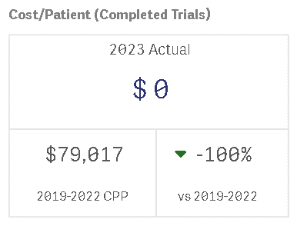
NIBR | Inv Grant cost per Patient (Completed trials) | Median(Total Lifetime Investigator grant costs per trial including projected numbers) for studies with CSR Actual achieved in the reporting year | Cost |  |  | SONAR, HORIZON, IMPACT | Operational |  |  | Monthly | Active | Divya | Punith | go/nibrkpi | SONAR, HORIZON, IMPACT | Median of Total Lifetime Investigator grant costs per trial (Numeric) | 1. WP Ownership: CSI 2. Funding source: NIBR and NIBR/GDD for Clinical Study type: PoC, First in Human, First in Human & PoC 3. Funding source: All for Clinical Study type: Clin Pharm/ Mechanistic/ NoPHIS/ Phase I Other 4. For Clinical Study type: PoC, First in Human, First in Human & PoC use only following providing orgs for calculations: o PROVIDING_ORGANIZATION: 3201 o NIBR TM-CSI, 4347 NIBR TM-CSI EXPL BIO 5. For Clinical Study type: Clin Pharm/ Mechanistic/ NoPHIS/ Phase I Other: o Use all providing orgs for calculations | 1. Exclude â€œTerminatedâ€ Work Status 2. Exclude internal cost types | Median([Total External investigator cost including projected Life time cost]/[Total patients]) # pts is calculated by following: LPFV actual date is not null and actual patients is not null then actual patients when LPFV actual date is not null and actual patients is null then planned patients(horizon) when LPFV actual date is null then then planned patients(horizon) | CPP Insights (go/cppinsights) |  | 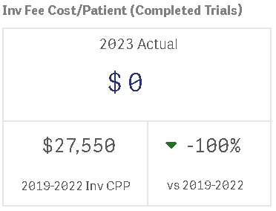
NIBR | Cost Per Patient (Active trials) | Median(Total External Lifetime costs per trial including projected numbers) for studies with FPFV actual is achieved and CSR Actual NOT yet achieved. | Cost |  |  | SONAR, HORIZON, IMPACT | Operational |  |  | Monthly | Active | Divya | Punith | go/nibrkpi | SONAR, HORIZON, IMPACT | Median of Total External Lifetime costs per trial (Numeric) | 1. WP Ownership: CSI 2. Funding source: NIBR and NIBR/GDD for Clinical Study type: PoC, First in Human, First in Human & PoC 3. Funding source: All for Clinical Study type: Clin Pharm/ Mechanistic/ NoPHIS/ Phase I Other 4. For Clinical Study type: PoC, First in Human, First in Human & PoC use only following providing orgs for calculations: o PROVIDING_ORGANIZATION: 3201 o NIBR TM-CSI, 4347 NIBR TM-CSI EXPL BIO 5. For Clinical Study type: Clin Pharm/ Mechanistic/ NoPHIS/ Phase I Other: o Use all providing orgs for calculations | 1. Exclude â€œTerminatedâ€ Work Status 2. Exclude internal cost types | Median([Total External cost including projected Life time cost]/[Total patients]) # pts is calculated by following: LPFV actual date is not null and actual patients is not null then actual patients when LPFV actual date is not null and actual patients is null then planned patients(horizon) when LPFV actual date is null then then planned patients(horizon) | CPP Insights (go/cppinsights) |  | 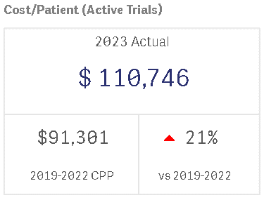 | 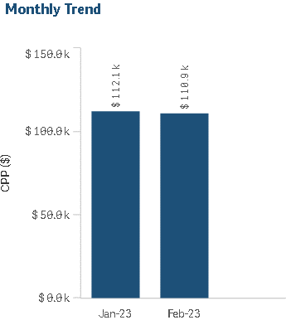 | 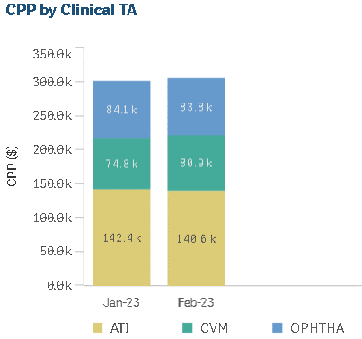 | 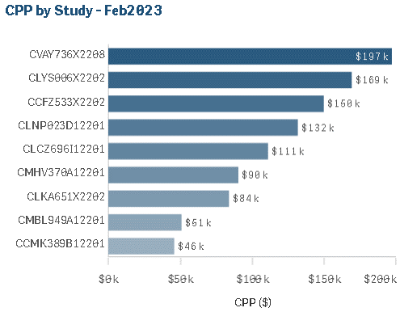
NIBR | Inv Grant cost per Patient (Active trials) | Median(Total Lifetime Investigator grant costs per trial including projected numbers) for studies with FPFV achieved and CSR Actual NOT yet achieved. | Cost |  |  | SONAR, HORIZON, IMPACT | Operational |  |  | Monthly | Active | Divya | Punith | go/nibrkpi | SONAR, HORIZON, IMPACT | Median of Total Lifetime Investigator grant costs per trial (Numeric) | 1. WP Ownership: CSI 2. Funding source: NIBR and NIBR/GDD for Clinical Study type: PoC, First in Human, First in Human & PoC 3. Funding source: All for Clinical Study type: Clin Pharm/ Mechanistic/ NoPHIS/ Phase I Other 4. For Clinical Study type: PoC, First in Human, First in Human & PoC use only following providing orgs for calculations: o PROVIDING_ORGANIZATION: 3201 o NIBR TM-CSI, 4347 NIBR TM-CSI EXPL BIO 5. For Clinical Study type: Clin Pharm/ Mechanistic/ NoPHIS/ Phase I Other: o Use all providing orgs for calculations | 1. Exclude â€œTerminatedâ€ Work Status 2. Exclude internal cost types | Median([Total External investigator cost including projected Life time cost]/[Total patients]) # pts is calculated by following: LPFV actual date is not null and actual patients is not null then actual patients when LPFV actual date is not null and actual patients is null then planned patients(horizon) when LPFV actual date is null then then planned patients(horizon) | CPP Insights (go/cppinsights) |  | 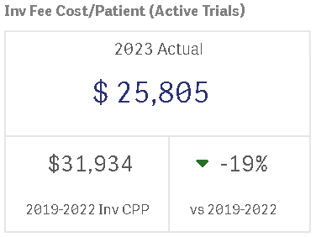 | 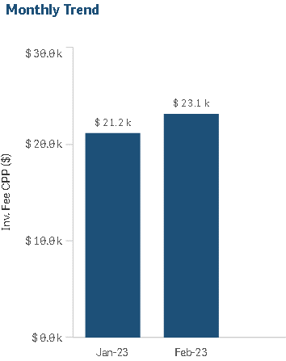 | 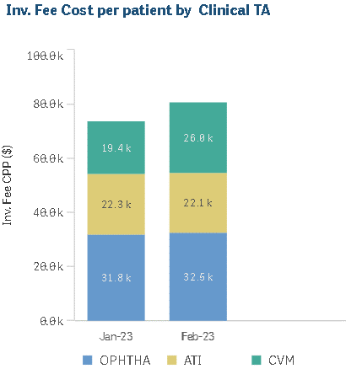 | 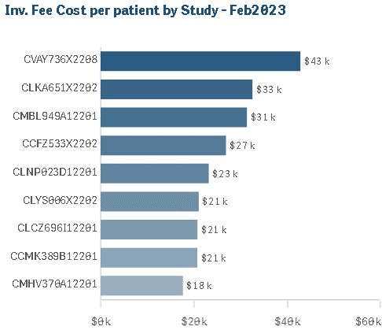
NIBR | % Sites without FPFV in 90 days from SIV | Number of sites with SIV to FPFV achieved within 90 days/ Total number of sites with SIV + 90 days in the reporting period | Productivity |  |  | Horizon and IMPACT | Operational |  |  | Monthly | Active | Divya | Punith | go/nibrkpi | Horizon and IMPACT | Percentage of Number of sites with SIV to FPFV achieved within 90 days/ Total number of sites with SIV + 90 days in the reporting period(Numeric) | 1. WP Ownership: CSI 2. Funding source: All for Clinical Study type: PoC, First in Human, First in Human & PoC, Clin Pharm/ Mechanistic/ NoPHIS/ Phase I Other | Exclude â€œTerminatedâ€ Work Status | Calculation Unit: Percentage Calculation: Number of sites with SIV to FPFV achieved within 90 days/ Total number of sites with SIV + 90 days in the reporting period * 100 Reporting Period: Year and month falling in SIV + 90 days Thresholds (Drilldown Page): Green: < =30% Yellow: >30% & <40% Red: >=40% | MinD, Horizon and IMPACT |  | 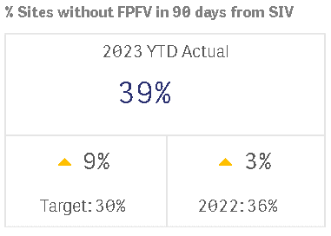
NIBR | % Sites Enrolled 0 patients | For trials that completed recruitment in the reporting period: Sites with Enrolled patients =0 / Total Initiated sites within the trial *100 | Productivity |  |  | Horizon and IMPACT | Operational |  |  | Monthly | Active | Divya | Punith | go/nibrkpi | Horizon and IMPACT | Percentage For trials that completed recruitment in the reporting period (Numeric) | 1. WP Ownership: CSI 2. Funding source: All for Clinical Study type: PoC, First in Human, First in Human & PoC, Clin Pharm/ Mechanistic/ NoPHIS/ Phase I Other 3. Include trials with Actual LPFV in the reporting period (or) with planned LPFV in the reporting period and with Total # of patients enrolled >/= Protocol defined patient number | Exclude â€œTerminatedâ€ Work Status | Calculation Unit: Percentage Calculation: Number of sites where Entered Treatment = 0 / total number of Initiated Sites * 100 Reporting Period: LPFV actual date/ LPFV planned date Thresholds (Drilldown Page): Green: <= 23% Yellow: >23% & <=26% Red: >26% | Horizon and IMPACT |  | 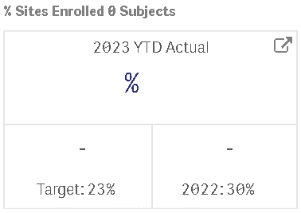 | 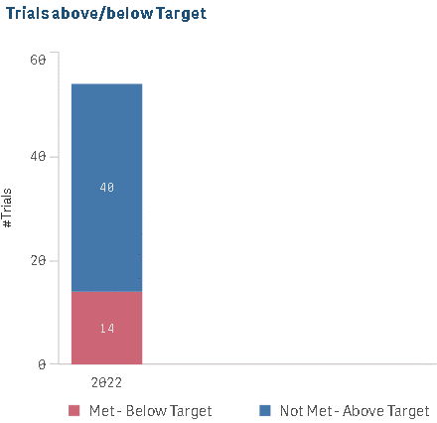 | 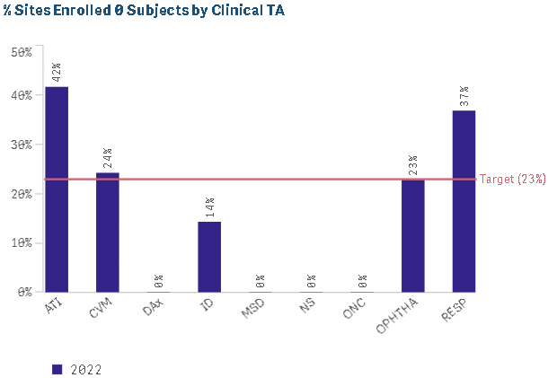 | 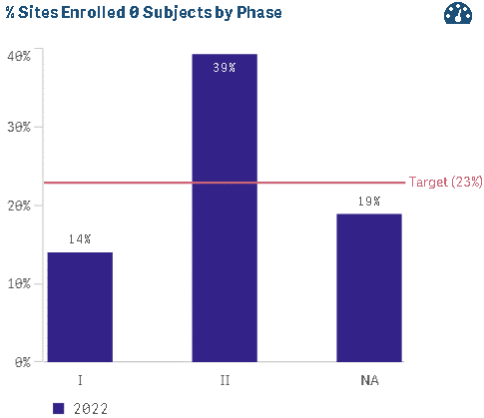
NIBR | FP to 25% SIV | Median number of weeks between Final Protocol and 25% of Sites Initiated | Cycle Time |  |  | IMPACT, Horizon | Operational |  |  | Monthly | Active | Divya | Punith | go/nibrkpi | IMPACT, Horizon | Median number of weeks (Numeric) | 1. WP Ownership: CSI 2. Funding source: All for Clinical Study type: PoC, First in Human, First in Human & PoC, Clin Pharm/ Mechanistic/ NoPHIS/ Phase I Other 3. Based on Actual SIV date, (i.e: in the year 2020, 2021 till Reporting Month) | 1. Trials for which SIV date is missing 2. Trials with FP date after SIV date is excluded from Median calculation and 0 values 3. Trials without FP actual date 4. Number of countries planned is 0 5. Exclude â€œTerminatedâ€ Work Status | Calculation Unit: Median Weeks Calculation: FP to SIV =Â (SIV_ACTUAL_DATE minus FP_ACTUAL_DATE)/7 Reporting Period: From SIV Actual Date | IMPACT, Horizon |  | 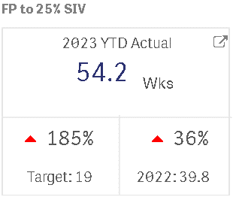 | 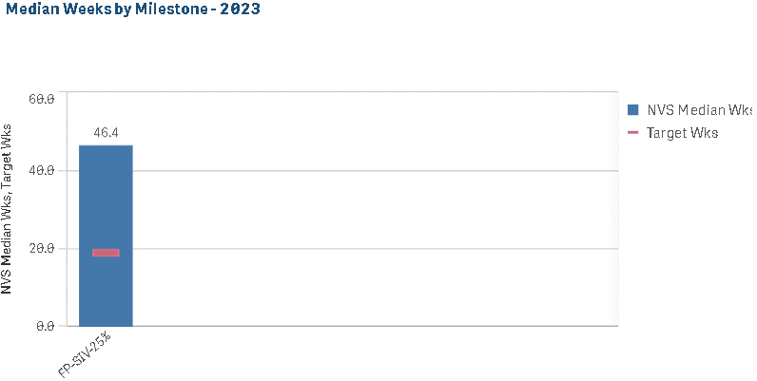 | 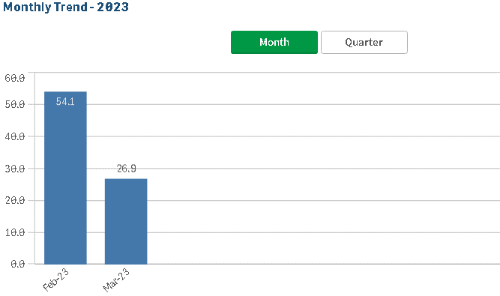 | 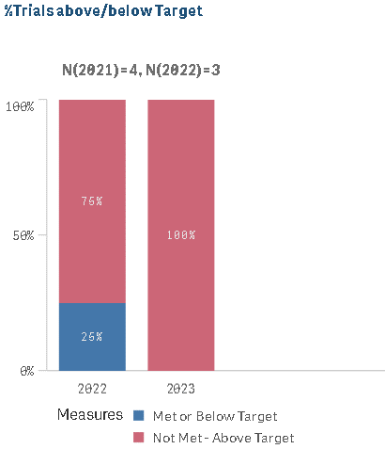 | 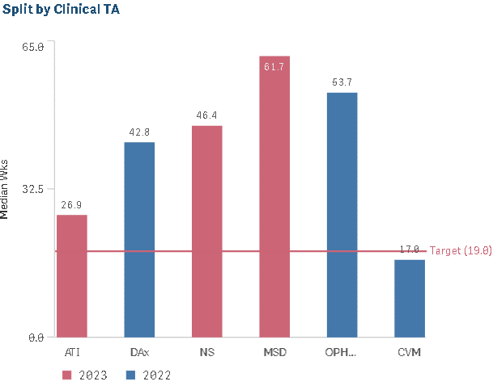 | 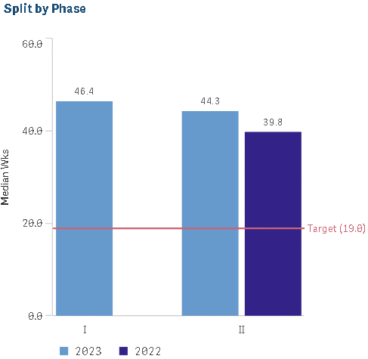
NIBR | FP to 25% enrollment | Median number of weeks between Final Protocol and 25% of Target Subjects enrolled | Cycle Time |  |  | IMPACT, Horizon | Operational |  |  | Monthly | Active | Divya | Punith | go/nibrkpi | IMPACT, Horizon | Median number of weeks (Numeric) | 1. WP Ownership: CSI 2. Funding source: All for Clinical Study type: PoC, First in Human, First in Human & PoC, Clin Pharm/ Mechanistic/ NoPHIS/ Phase I Other 3. Based on Actual enrollment date, (i.e: in the year 2020, 2021 till Reporting Month) | 1. Trials for which Enrollment date is missing 2. Trials with FP date after Enrollment date is excluded from Median calculation and 0 values 3. Trials without FP actual date 4. Number of countries planned is 0 5. Exclude â€œTerminatedâ€ Work Status | Calculation Unit: Median Weeks Calculation: FP to Enrollment Date =Â (Enrollment_Date minus FP_ACTUAL_DATE)/7 Reporting Period: From Enrollment Actual Date | IMPACT, Horizon |  | 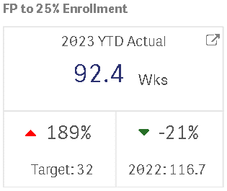 | 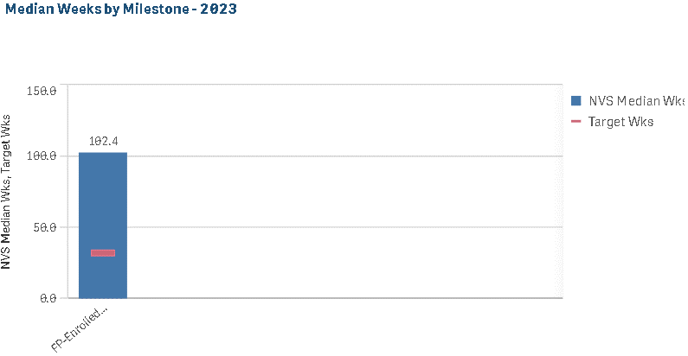 | 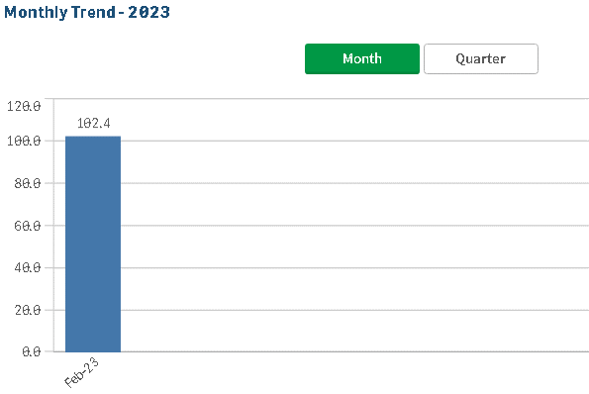 | 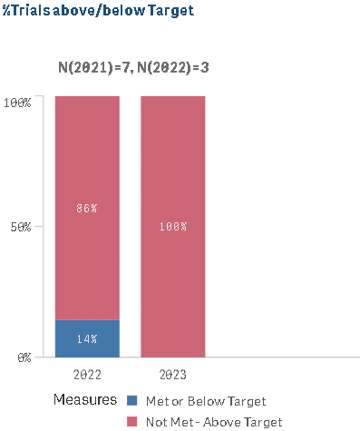 | 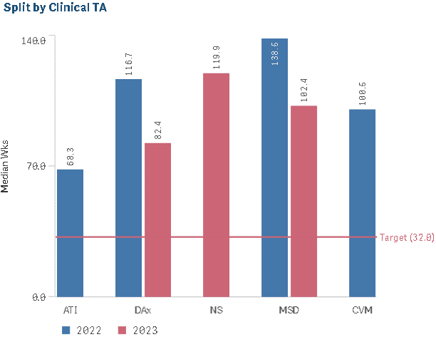 | 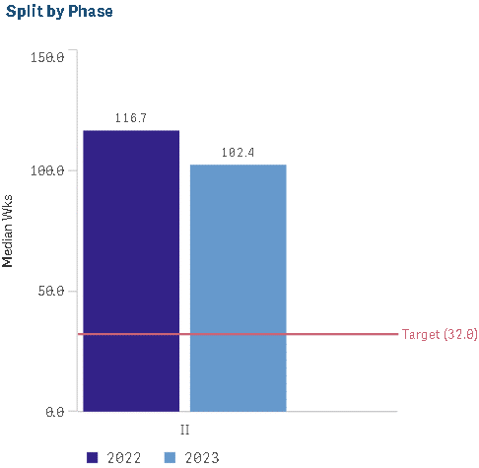
NIBR | Percentage of trials achieved Go Live prior to target date | Percentage of trials achieved Go Live prior to target date. Target data: NIBR - Planned FPFT | Cycle Time |  |  | IMPACT, Horizon, DM BoW | Operational |  |  | Monthly | Active | Divya | Punith | go/nibrkpi | IMPACT, Horizon, DM BoW | Percentage of trials achieved (Numeric) | 1. WP Ownership: CSI 2. Funding source: All for Clinical Study type: PoC, First in Human, First in Human & PoC, Clin Pharm/ Mechanistic/ NoPHIS/ Phase I Other | Exclude â€œTerminatedâ€ Work Status | Calculation Unit: Percentage Calculation: Number of trials achieved Go Live prior to target date/Total trials Reporting Period: From EDC Go Live actual date | IMPACT, Horizon, DM BoW |  | 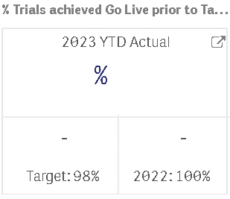 | 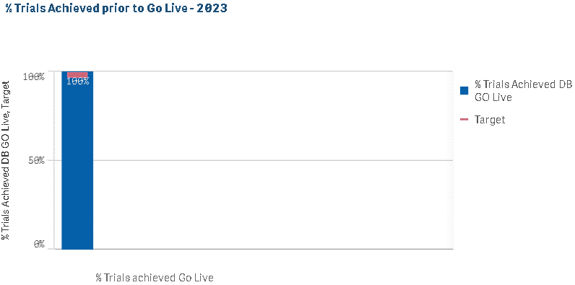 | 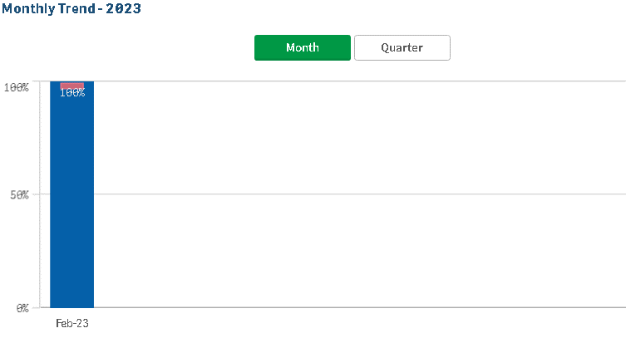 | 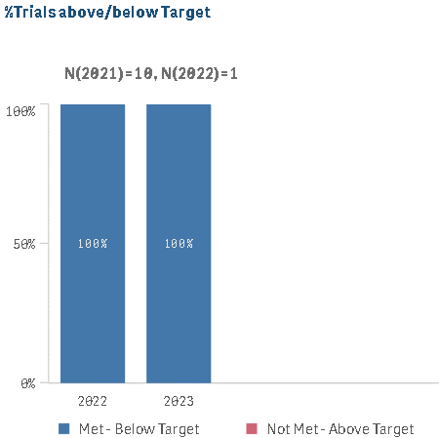 | 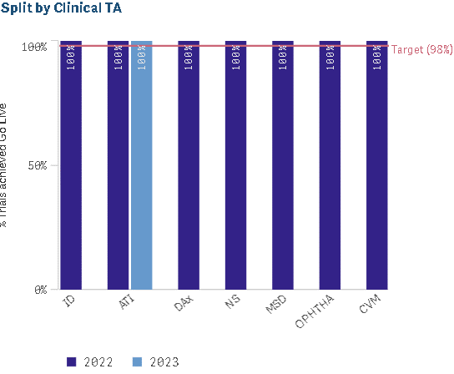 | 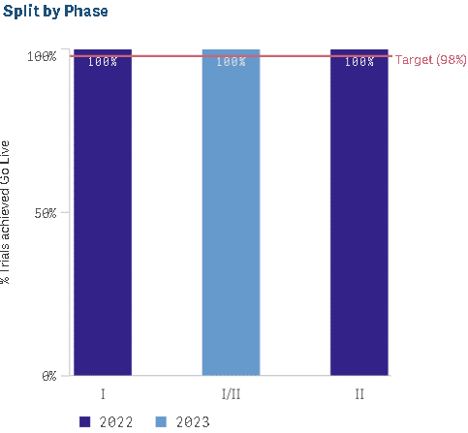
NIBR | Time from LPLV-DBL (Wks) | Median number of weeks between Last Patient Last Visit to Database Lock at a trial level for with a target of 6 weeks | Cycle Time |  |  | IMPACT, Horizon, DM BoW | Operational |  |  | Monthly | Active | Divya | Punith | go/nibrkpi | IMPACT, Horizon, DM BoW | Median number of weeks (Numeric) | 1. WP Ownership: CSI 2. Funding source: All for Clinical Study type: PoC, First in Human, First in Human & PoC, Clin Pharm/ Mechanistic/ NoPHIS/ Phase I Other 3. Calculated based on the DBL year | Exclude â€œTerminatedâ€ Work Status | Calculation Unit: Median Weeks Calculation: Actual DBL date - Actual LPLV Date Reporting Period: From DBL actual date | IMPACT, Horizon, DM BoW |  | 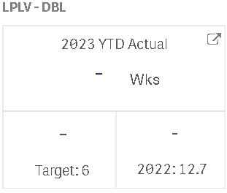 | 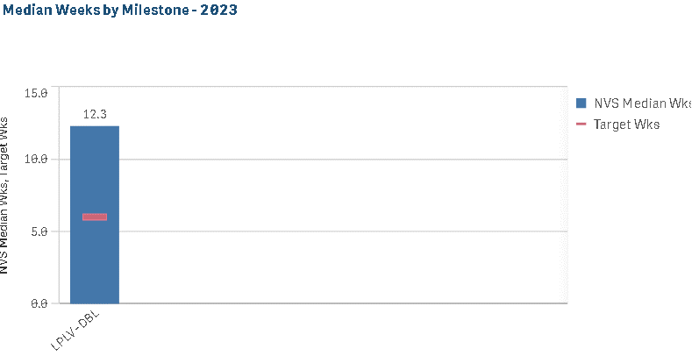 | 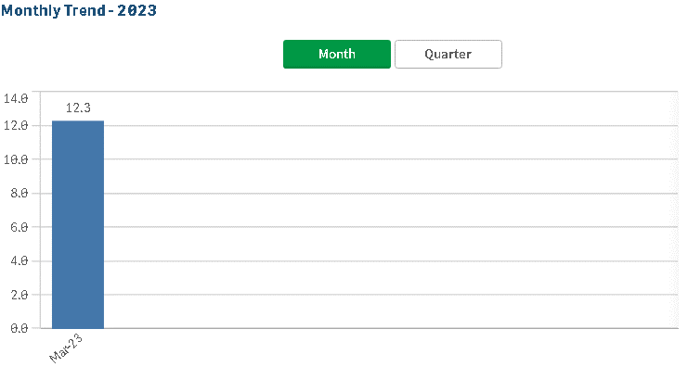 | 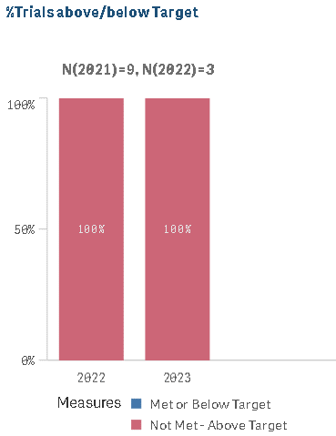 | 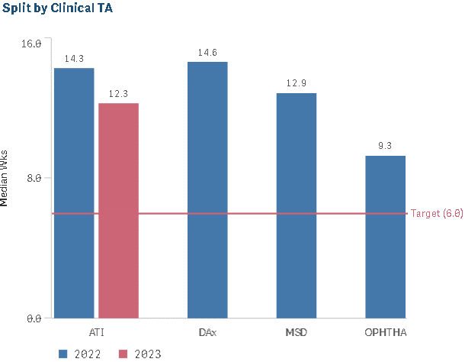 | 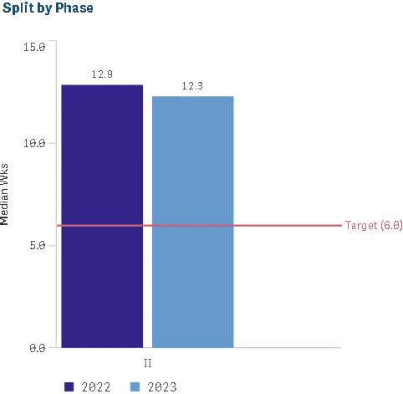
NIBR | Median time from DBL-CSR (Wks) - Peds | Median number of weeks between Database Lock to Clinical Study Report Published at a trial level for Pediatric trials Based on Year of CSR. | Cycle Time |  |  | IMPACT, Horizon | Operational |  |  | Monthly | Active | Divya | Punith | go/nibrkpi | IMPACT, Horizon | Median number of weeks (Numeric) | 1. WP Ownership: CSI 2. Funding source: All for Clinical Study type: PoC, First in Human, First in Human & PoC, Clin Pharm/ Mechanistic/ NoPHIS/ Phase I Other 3. Calculated based on the CSR year | Exclude â€œTerminatedâ€ Work Status | Calculation Unit: Median Weeks Calculation: Actual CSR date- Actual DBL Date Reporting Period: From CSR actual date | IMPACT, Horizon |  | 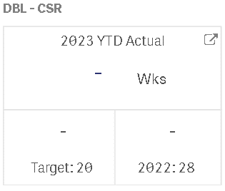 | 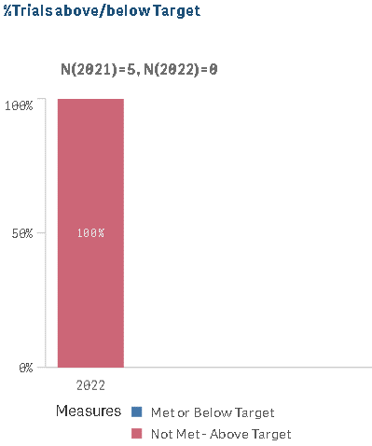 | 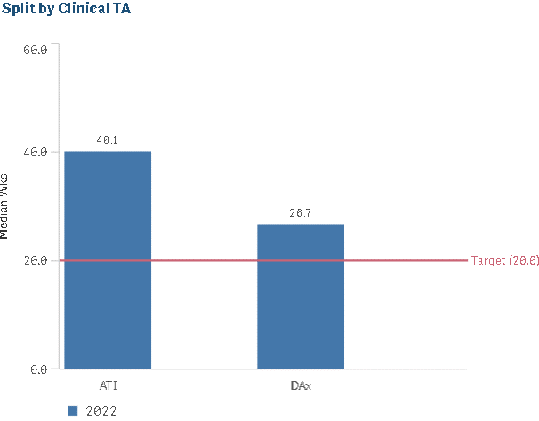 | 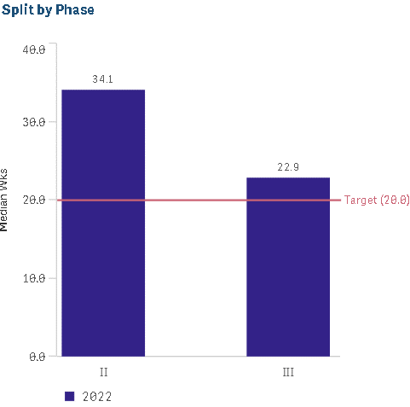
NIBR | Avg No. of Protocol Amendments per Trial | Average Number of Protocol Amendments Per Trial Based on the Year of Actual LPFV/Planned LPFV(if actual enrollment>=Target enrollment) for a trial | Quality |  |  | CREDI, IMPACT | Operational |  |  | Monthly | Active | Divya | Punith | go/nibrkpi | CREDI, IMPACT | Average Number of Protocol Amendments Per Trial (Numeric) | 1. WP Ownership: CSI 2. Funding source: All for Clinical Study type: PoC, First in Human, First in Human & PoC, Clin Pharm/ Mechanistic/ NoPHIS/ Phase I Other | Exclude â€œTerminatedâ€ Work Status | Calculation Unit: Average Calculation: Total Protocol amendments/Total number of trials with Actual LPFV in reporting year/Planned LPFV in reporting year for trials with actual enrollment>=Target enrollment Reporting Period: Actual LPFV in reporting year/Planned LPFV in reporting year for trials with actual enrollment>=Target enrollment | CREDI, IMPACT |  | 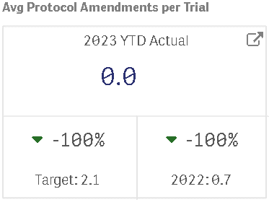 | 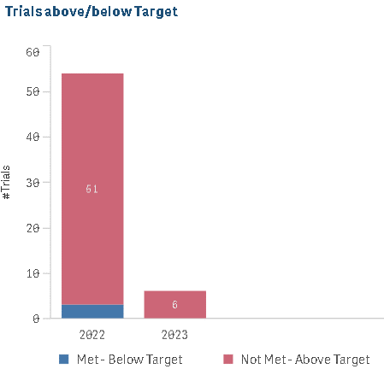 | 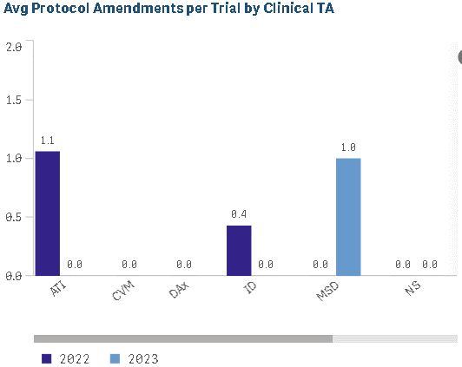 | 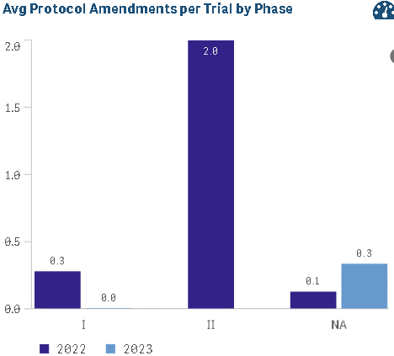
GDO KPI - Cost | Cost Per Patient (Active trials) | Median(Total Lifetime costs per trial (internal and External including projected numbers) for studies with FPFV actual is achieved and CSR Actual NOT yet achieved. | Cost |  |  | SONAR, HORIZON, IMPACT | Operational |  |  | Monthly | Active | Divya | Punith | go/gdokpi | SONAR, HORIZON, IMPACT | Median of Total Lifetime costs per trial (Numeric) | All Phase I, II, III trials and Managing organization = GDD | NIBR, Sandoz and Phase IV trials | Median([Total External+internal cost]/[Total patients recruited]) | CPP Insights (go/cppinsights) |  | 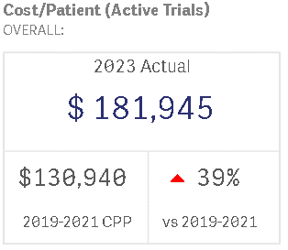 | 
GDO KPI - Cost | Inv Grant cost per Patient (Active trials)​ | Median(Total Lifetime Investigator grant costs per trial (internal and External including projected numbers) for studies with FPFV achieved and CSR Actual NOT yet achieved. | Cost |  |  | SONAR, HORIZON, IMPACT | Operational |  |  | Monthly | Active | Divya | Punith | go/gdokpi | SONAR, HORIZON, IMPACT | Median of Total Lifetime Investigator grant costs per trial | All Phase I, II, III trials and Managing organization = GDD | NIBR, Sandoz and Phase IV trials | Median([Total External+internal investigator cost including projected Life time cost]/[Total patients planned]) | CPP Insights (go/cppinsights) |  | 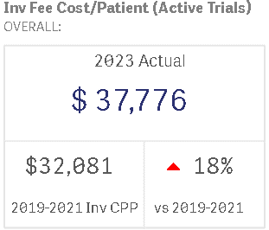 | 
GDO KPI - Cost | Cost Per Page | Total Data Management organization costs for a period / Number of Pages processed in the time period. | Productivity |  |  | Finance team, OC Database extract, DM BoW​ | Operational |  |  | Monthly | Active | Divya | Punith | go/gdokpi | Finance team, OC Database extract, DM BoW​ | Percentage of Total Data Management organization costs / Number of Pages (Numeric) | Oncology , Pharma data included for calculating pages & Cost , DM cost is total cost and includes cost like printing etc and not only resourcing cost & DM cost is total cost and includes cost like printing etc and not only resourcing cost. | Sandoz and Alcon are excluded in cost andt for pages, GSK Volumes, Rave trials & Full Outsourced - Vendor EDC pages are excluded in cost and pages. | Calculation Unit: $, Calculation: Total Data Management Functional Cost / Total number of pages processed | Finance team, OC Database extract, DM BoW |  | 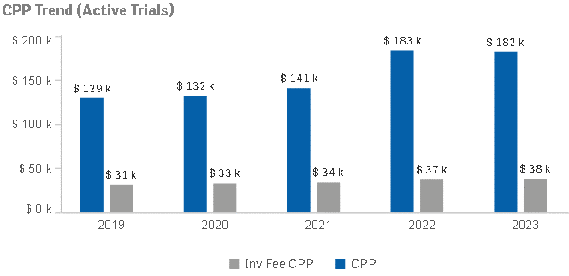
GDO KPI - Productivity | Patients per FTE | Total patients from Active trials/ FTE, The New and Ongoing Patients are defined as patients who have had the FPFT prior to the reporting period where the LPLV has not yet occurred, or occurred in the reporting period | Productivity |  |  | Horizon, IMPACT, Resource SharePoint (Master Headcount Tracker Excel) | Operational |  |  | Monthly | Active | Divya | Punith | go/gdokpi | Horizon, IMPACT, Resource SharePoint (Master Headcount Tracker Excel) | Percentage of Total patients from Active trials/ FTE | 1. Include all the trials from Horizon sourcing with GlobalCentralMonitoring OrgSourcing in ('In House', 'Mixed Model') | 1. Exclude fGSK Trials as these do not use IMPACT for Monitoring | Sum of New and Ongoing patients / Sum of Total TMO Country Level FTES, Thresholds Green: >=12 Red: <12 | Horizon, IMPACT, Resource SharePoint (Master Headcount Tracker Excel) |  |  | 
GDO KPI - Cost | Resource Cost per CSR document​ | Total Functional Cost / CSR Equivalents-- Functional Cost = Number of FTEs multiplied by FTE Rate. FTE rate for INHY is $2,500, and FTE rate for US/Basel is $25,000.----CSR equivalents = SUM(CSR document type * CSR equivalent of the respective complexity factor) for IM, SUM(CSR document type * CSR equivalent ) for Alcon | Productivity |  |  | Manual excel from KPI owner​ | Operational |  |  | Monthly | Active | Divya | Punith | go/gdokpi | Manual excel from KPI owner​ | Percentage of Total Functional Cost / CSR Equivalents (Numeric) |  | Alcon and Japan are excluded. Admins are excluded from the FTE calculation | Total Functional Cost / 12 Months Moving Average of Cost per equivalent unit | Manual excel from KPI owner |  | 
GDO KPI - OKR1 | Recruitment Rate Variance | Recruitment Rate Variance (study country level) | Cycle Time |  |  | Impact, FPO | Operational |  |  | Monthly | Active | Balaji | Punith | go/gdokpi | Impact, FPO | Percentage
GDO KPI - OKR1 | SIV per month Variance | SIV per month Variance(study country level) | Cycle Time |  |  | Impact, FPO | Operational |  |  | Monthly | Active | Balaji | Punith | go/gdokpi | Impact, FPO | Percentage
GDO KPI - OKR2 | FP - 25% Submission Achieved | Median number of weeks between Final Protocol and 25% of EC / IRB Submission | Cycle Time |  | 1,2,3,4 | Impact, Horizon | Operational |  |  | Weekly | Active | Gaurav | Punith | go/gdokpi | Impact, Horizon | Median Weeks | TMO (In-house & mixed model), TM supported & non supported Trials with Study Status Active, Planned, Completed Organization Unit / Operated By: GDD, NIBR, GMA Interventional trials Recruitment status <25% (calculated: subjects entered treatment actual/ HZN Target # enrolled pts) LPFV, LPFT, LPLV, DBL actual is null CTT Kick-off Actual; date must be given | EXT (extension trials: Studies with Extension Trial flag='EXT' or ends with Ei, i=1-9) Number of countries planned is 0 Exclude Basket, Bucket & Roll-Over studies, Cohorts |  |  |  |  |  |  | 
GDO KPI - OKR2 | FP - 25% Approval Achieved | Median number of weeks between Final Protocol and 25% of EC / IRB Approval | Cycle Time |  | 1,2,3,4 | Impact, Horizon | Operational |  |  | Weekly | Active | Gaurav | Punith | go/gdokpi | Impact, Horizon | Median Weeks |  |  |  |  |  |  |  |  | 
GDO KPI - OKR2 | FP - 25% SIV Achieved | Median number of weeks between Final Protocol and 25% of Sites Initiated | Cycle Time |  | 1,2,3,4 | Impact, Horizon | Operational |  |  | Weekly | Active | Gaurav | Punith | go/gdokpi | Impact, Horizon | Median Weeks |  |  |  |  |  |  |  |  | 
GDO KPI - OKR2 | FP - 20% Enrolment Achieved | Median number of weeks between Final Protocol and 20% of Target Subjects enrolled | Cycle Time |  | 1,2,3,4 | Impact, Horizon | Operational |  |  | Weekly | Active | Gaurav | Punith | go/gdokpi | Impact, Horizon | Median Weeks |  |  |  |  |  |  |  |  | 
GDO KPI - OKR2 | FP - 25% Enrolment Achieved | Median number of weeks between Final Protocol and 25% of Target Subjects enrolled | Cycle Time |  | 1,2,3,4 | Impact, Horizon | Operational |  |  | Weekly | Active | Gaurav | Punith | go/gdokpi | Impact, Horizon | Median Weeks |  |  |  |  |  |  |  |  | 
GDO KPI - OKR3 | LPLV - DBL | Last Patient Last Visit - Database Lock | Cycle Time |  |  | Impact | Operational |  |  | Monthly | Active | Gaurav | Punith | go/gdokpi | Impact | Median Weeks | Impact Trial Status = Active Interventional Status = Interventional Horizon Work Package Sub Type= Interventional Phase= 2 & 3 only GDO Managed LF studies are included. Managing Line Function= Global Development Operations Actual LPLV= Not Null and CSR Publication= Not Null AND Planned LPLV in 2021 Considered all the in-house studies across Data Management, Stats Programming and Regulatory Writing (GDO_DM_SOURCING, GDO_MW_SOURCING, GDO_SP_SOURCING) LPLV Planned in 2023, LPLV Achieved in 2022 but CSR yet to achieve, CSR Achieved in 2023 | NIBR, TCO, Sandoz and GMA line function managed studies All partially and fully outsourced studies Interim DBLs and interim CSRs Extension Studies |  |  |  | 
GDO KPI - OKR3 | DBL - AOD | Database Lock - All Outputs Delivered | Cycle Time |  |  | Impact | Operational |  |  | Monthly | Active | Gaurav | Punith | go/gdokpi | Impact | Median Weeks |  |  |  |  |  | 
GDO KPI - OKR3 | AOD - CSR | All Outputs Delivered - Clinical Study Report Submitted | Cycle Time |  |  | Impact | Operational |  |  | Monthly | Active | Gaurav | Punith | go/gdokpi | Impact | Median Weeks |  |  |  |  |  | 
GDO KPI - OKR3 | LPLV - AOD | Last Patient Last Visit - All Outputs Delivered | Cycle Time |  |  | Impact | Operational |  |  | Monthly | Active | Gaurav | Punith | go/gdokpi | Impact | Median Weeks |  |  |  |  |  | 
GDO KPI - OKR3 | LPLV - CSR | Last Patient Last Visit - Clinical Study Report Submitted | Cycle Time |  |  | Impact | Operational |  |  | Monthly | Active | Gaurav | Punith | go/gdokpi | Impact | Median Weeks |  |  |  |  |  | 
TMOMETER | Cost per MV | This is the total cost of the TMO operating budget/the total number monitoring visits conducted in a year. This KPI is not currently available at Region/Country level | Cost |  |  | TMO Finance for currently approved TMO Budget per LO, Horizon, IMPACT, | Operational |  |  | Monthly | Active | Divya | Raj Vadde | go/tmometer | TMO Finance for currently approved TMO Budget per LO, Horizon, IMPACT, | Percentage of total cost of the TMO operating budget/the total number monitoring visits (Numeric) | Includes by default for MV Count: (no user selection possible) 1) All trials that are using IMPACT and are monitored using Global Trial Monitoring Resources (In House or Mixed Model in Horizon BoW). 2) IMPACT Monitoring Visit Types: Site selection, Site initiation, On-site (MVR), Unblinded, Close-out & Remote (IMPACT CODES SSV, SIV,MON,REM, UMV, COV) | Excludes by default (no user selection possible) 1) IMPACT Monitoring Visit Types: Handover, Contact & PMS (IMPACT CODES: HAV, CTT, PMS) 2) JP PMS studies are not included in database (no user selection possible) | Sum of TMO Budget/ Sum of Monitoring Visits per year 1) The TMO Cost is the total cost of the TMO Budget per the LO (including pass through and HQ items) 2) The # MVs include: SSV, SIV, MON, REM, UMV, and COV | - | TMO Finance for currently approved TMO Budget per LO, Horizon, IMPACT,
TMOMETER | Active Sites per CRA | # of Active Sites in reporting month /# CRA FTEs as reported in Resource Sharepoint | Productivity |  |  | Horizon, IMPACT, Applify | Operational |  |  | Monthly | Active | Divya | Raj Vadde | go/tmometer | Horizon, IMPACT, Applify | Percentage # of Active Trials in reporting month /# CRA (Numeric) | Includes by default: 1) All trials that are using IMPACT and are monitored using Global Trial Monitoring Resources (In House or Mixed Model in Horizon BoW). (However, user has an option to change this selection) | Excludes by default: 1) JP PMS studies are not included in database (no user selection possible) | Sum of Actives Sites/ Sum of CRA FTEs 1) An active site is a site that has had SIV, but has not yet had the COV as per IMPACT timelines. There is no dependency on patients. 2) CRA FTEs is the sum of CRA FTEs on board at the end of each calendar month as maintained in the Resource SharePoint YTD and FY calculations are the average of the monthly data. | 12 active Sites per CRA FTE at TMO Aggregate Level Green: >=12 Red: <12 | Horizon, IMPACT, Resource SharePoint (Master Headcount Tracker Excel)
TMOMETER | Active Trials per CSM | # of Active Trials in reporting month /# CSM FTEs as reported in Resource Sharepoint | Productivity |  |  | Horizon, IMPACT, Applify | Operational |  |  | Monthly | Active | Divya | Raj Vadde | go/tmometer | Horizon, IMPACT, Applify | Percentage # of Active Sites in reporting month /# CSM (Numeric) | Includes by default: 1) All trials that are using IMPACT and are monitored using Global Trial Monitoring Resources (In House or Mixed Model in Horizon BoW). (However, user has an option to change this selection) | Excludes by default: 1) JP PMS studies are not included in database (no user selection possible) 2) JP PMS resources | Sum of Actives Trials/ Sum of CSM FTEs 1) An active trial is a trial that contains at least 1 active site per SIV/COV milestones. There is no dependency on patients. 2) CSM FTEs is the sum of CSM FTEs on board at the end of each calendar month as maintained in the Resource SharePoint YTD and FY calculations are the average of the monthly data. | 10 active Sites per CSM FTE at TMO Aggregate Level Green: >=10 Red: <10 | Horizon, IMPACT, Resource SharePoint (Master Headcount Tracker Excel)
TMOMETER | Patients per FTE | Total patients from Active trials/ FTE | Productivity |  |  | Horizon, IMPACT, Applify | Operational |  |  | Monthly | Active | Divya | Raj Vadde | go/tmometer | Horizon, IMPACT, Applify | Percentage of Total patients from Active trials/ FTE (Numeric) | Patients from Trials with active sites | - | Sum of New and Ongoing patients / Sum of Total TMO Country Level FTES 1) The New and Ongoing Patients are defined as patients who have had the FPFT prior to the reporting period where the LPLV has not yet occurred, or occurred in the reportin period 2) The FTEs are based upon the number of country FTEs on board at the end of each calendar month as maintained in the Resource SharePoint. This includes the roles responsible for delivering trials CH, Managers, CRA, CSM and CTAs/Start Up. (Monitoring Excellence, Strategy and Operations and TOMs are excluded) YTD and FY calculations are the average of the monthly data. | 15 patients per TMO FTE at TMO Aggregate Level Green: >=15 Red: <15 | Horizon, IMPACT, Resource SharePoint (Master Headcount Tracker Excel) |  | 
TMOMETER | # CRA per CRAM | Measure the number of CRA FTEs managed per CRA Manager | Productivity |  |  | Applify | Operational |  |  | Monthly | Active | Divya | Raj Vadde | go/tmometer | Applify | Count the number of CRA FTEs (Numeric) | 1) CRA FTEs is the sum of CRA FTEs on board at the end of each calendar month as maintained in the Resource SharePoint 2) CRAM FTEs is the sum of CRAM FTEs on board at the end of each calendar month as maintained in the Resource SharePoint | All other roles from Resource SharePoint | Sum of CRAs FTES / Sum of CRAM FTEs 1) CRA FTEs is the sum of CRA FTEs on board at the end of each calendar month as maintained in the Resource SharePoint 2) CRAM FTEs is the sum of CRAM FTEs on board at the end of each calendar month as maintained in the Resource SharePoint YTD and FY calculations are the average of the monthly data. | 13 CRAs per CRA manager at TMO Aggregate Level Green: >=13 Red: <13 | Includes by default: 1) JP PMS studies are not included in database (no user selection possible) 2) JP PMS resources
TMOMETER | FTEs | FTEs by roles | Productivity |  |  | Applify | Operational |  |  | Monthly | Active | Divya | Raj Vadde | go/tmometer | Applify | Count FTEs (Numeric) | Includes: 1) CRA, CSM, CRAM, Support and Management FTEs are the sum of FTEs on board at the end of each calendar month as maintained in the Resource SharePoint 2) Resources are those allocated to a Country or Region | Exclude by default (no user selection possible) 1) Resources not allocated to a country or region (i.e. Non country roles, TOMs, Mon Ex etc) 2) Resources noted as "Other" in resource category, which by definition therefore excludes JP PMS resources | Sum of FTE in the reporting month YTD and FY calculations are the average of the monthly data. | NA | Resource SharePoint (Master Headcount Tracker Excel)
TMOMETER | Ratio REM/ MON Visits | Measures the percentage of Remote Monitoring Visits vs Total Remote and standard On Site Visits | Productivity |  |  | Horizon, IMPACT | Operational |  |  | Monthly | Active | Divya | Raj Vadde | go/tmometer | Horizon, IMPACT | Percentage of Remote Monitoring Visits vs Total Remote and standard On Site Visits (Numeric) | Includes: 1) All trials that are using IMPACT and are monitored using Global Trial Monitoring Resources (In House or Mixed Model in Horizon BoW) 2) IMPACT Monitoring VisitOn-site (MVR), & Remote (IMPACT CODES MON,REM) | Excludes by default (no user selection possible) 1) IMPACT Monitoring Visit Types: Site selection, Site initiation, Unblinded, Close-out, Handover, Contact (IMPACT CODES SSV, SIV, UMV, COV, HAV, CTT) 2) JP PMS studies are not included in database (no user selection possible) | # REM Visits/ (# of REM Visits + # MON Visits) * 100 YTD and FY calculations are the aggregate of the monthly data. | Green: >=50% Red: <50% | Horizon, IMPACT |  | 
TMOMETER | Monitoring Days per FTE per Week | # Total Monitoring Days /Available CRA FTE/ # Weeks in Reporting Period | Productivity |  |  | Horizon, IMPACT, Applify | Operational |  |  | Monthly | Active | Divya | Raj Vadde | go/tmometer | Horizon, IMPACT, Applify | Sum of Total Monitoring Days /Available CRA FTE/ # Weeks in Reporting Period (Numeric) | Includes by default: 1) All trials that are using IMPACT and are monitored using Global Trial Monitoring Resources (In House or Mixed Model in Horizon BoW). (However, user has an option to change this selection) 2) IMPACT Monitoring Visit Types: Site selection, Site initiation, On-site, Unblinded, Close-out & Remote (IMPACT CODES SSV, SIV,MON,REM, UMV, COV) (However, All visit types are available. User has an option to change this selection) | Excludes by default: 1) 1) IMPACT Monitoring Visit Types: Handover, Contact & (IMPACT CODES: HAV, CTT) 2) JP PMS studies are not included in database (no user selection possible) 3) JP PMS resources | 1) Total Monitoring Visits Days is the sum of the duration of net working days between the start and end date of each MV except for REM visits where duration is a fixed duration of 0.3 days. 2) Available FTEs= (CRA FTEs is the sum of CRA FTEs on board at the end of each calendar month as maintained in the Resource SharePoint )*0.85 assuming on average 15 % of an FTE is non working time (vacation etc) 3) Weeks=(Net working days between first and last calendar day of reporting month)/7 YTD and FY calculations are the aggregate of the monthly data. | Green: >=2 Red: <2 | Horizon, IMPACT, Resource SharePoint (Master Headcount Tracker Excel) |  | 
TMOMETER | MVs Per CRA Per Week | # Total Monitoring Visits /Available CRA FTE/ # Weeks in Reporting Period | Productivity |  |  | Horizon, IMPACT, Applify | Operational |  |  | Monthly | Active | Divya | Raj Vadde | go/tmometer | Horizon, IMPACT, Applify | Sum of Total Monitoring Visits /Available CRA FTE/ # Weeks in Reporting Period (Numeric) | Includes by default: 1) All trials that are using IMPACT and are monitored using Global Trial Monitoring Resources (In House or Mixed Model in Horizon BoW). (However, user has an option to change this selection) 2) IMPACT Monitoring Visit Types: Site selection, Site initiation, On-site, Unblinded, Close-out & Remote (IMPACT CODES SSV, SIV,MON,REM, UMV, COV) (However, All visit types are available. User has an option to change this selection) | Excludes by default: 1) 1) IMPACT Monitoring Visit Types: Handover, Contact & (IMPACT CODES: HAV, CTT) 2) JP PMS studies are not included in database (no user selection possible) 3) JP PMS resources | 1) Total Monitoring Visits is the Count of Visits with Visit end date in the reporting Month 2) Available FTEs= (CRA FTEs is the sum of CRA FTEs on board at the end of each calendar month as maintained in the Resource SharePoint )*0.85 assuming on average 15 % of an FTE is non working time (vacation etc) 3) Weeks=(Net working days between first and last calendar day of reporting month)/7 YTD and FY calculations are the aggregate of the monthly data. | Green: >=2 Red: <2 | Horizon, IMPACT, Resource SharePoint (Master Headcount Tracker Excel) |  | 
TMOMETER | % Sites Enrolled 0 patients | For trials that completed recruitment in the reporting period: Sites with Enrolled patients =0 / Total Initiated sites within the trial *100 | Productivity |  |  | Horizon, IMPACT | Operational |  |  | Monthly | Active | Divya | Raj Vadde | go/tmometer | Horizon, IMPACT | Percentage For trials that completed recruitment in the reporting period (Numeric) | Includes by default: 1) All trials that are using IMPACT and are monitored using Global Trial Monitoring Resources (In House or Mixed Model in Horizon BoW). (However, user has an option to change this selection) 2) All trials with actual LPFV in the reportin period (or) with planned LPFV in the reporting period where the actual # of patients enrolled is >/= to the planned trial patient enrollment. | Excludes by default: 1) Extension trials, Roll Over and Basket/Bucket Roll over trials 3) Non Interventional Studies 4) JP PMS studies are not included in database (no user selection possible) | Calculation: Number of sites where Entered Treatment = 0 / total number of Initiated Sites * 100 Reporting Period: LPFV actual date/ LPFV planned date | Green: <= 20% Red: >20% | Horizon, IMPACT |  | 
TMOMETER | % MVRs Submitted (7 days) | Percentage of MVRs completed within 7 calendar days after monitoring visit end date | Patient Safety |  |  | Horizon, IMPACT | Operational |  |  | Monthly | Active | Divya | Raj Vadde | go/tmometer | Horizon, IMPACT | Percentage of MVRs completed (Numeric) | Includes by default: 1) All trials that are using IMPACT and are monitored using Global Trial Monitoring Resources (In House or Mixed Model in Horizon BoW). (However, user has an option to change this selection) 2) IMPACT Monitoring Visit Types: Site selection, Site initiation, On-site (MVR), Unblinded, Close-out & Remote (IMPACT CODES SSV, SIV,MON,REM, UMV, COV) 3) Monitoring Visit Status: Completed | Excludes by default (no user selection possible) 1) IMPACT Monitoring Visit Types: Handover, Contact & (IMPACT CODES: HAV, CTT) 2) JP PMS studies are not included in database (no user selection possible) | # of MVRs submitted in 7 days/ Total # of MVRs expected to be submitted in the month reported as a percentage 1) Duration is calculated in calendar days from the Visit End Date to the 1st submission date in IMPACT. 2) The reporting period is based upon the expected date of MV submission . YTD and FY calculations are the aggregate of the monthly data. | Green: >= 90% Red: < 90% | Horizon, IMPACT |  | 
TMOMETER | % MVRs Reviewed (5 days) | Percentage of Monitoring reports reviewed within 5 calendar days of submission | Patient Safety |  |  | Horizon, IMPACT | Operational |  |  | Monthly | Active | Divya | Raj Vadde | go/tmometer | Horizon, IMPACT | Percentage of Monitoring reports reviewed (Numeric) | Includes by default: 1) All trials that are using IMPACT and are monitored using Global Trial Monitoring Resources (In House or Mixed Model in Horizon BoW). (However, user has an option to change this selection) 2) IMPACT Monitoring Visit Types: Site selection, Site initiation, On-site (MVR), Unblinded, Close-out & Remote (IMPACT CODES SSV, SIV,MON,REM, UMV, COV) 3) Monitoring Visit Status: Completed | Excludes by default (no user selection possible) 1) IMPACT Monitoring Visit Types: Handover, Contact & (IMPACT CODES: HAV, CTT) 2) JP PMS studies are not included in database (no user selection possible) | # of MVRs Reviewed in 5 days/ Total # of MVRs expected to reviewed in the month reported as a percentage 1) Duration is calculated in calendar days from the date the MV is 1st submitted for review in IMPACT to the date the MVR is approved . 2) The reporting period is based upon the expected date of MV review. YTD and FY calculations are the aggregate of the monthly data. | Green: >= 90% Red: < 90% | Horizon, IMPACT |  | 
TMOMETER | % MVRs Finalised (12 days) | Percentage of Monitoring Visit Reports finalised within 12 calendar days of visit end date | Patient Safety |  |  | Horizon, IMPACT | Operational |  |  | Monthly | Active | Divya | Raj Vadde | go/tmometer | Horizon, IMPACT | Percentage of Monitoring Visit Reports finalised (Numeric) | Includes by default: 1) All trials that are using IMPACT and are monitored using Global Trial Monitoring Resources (In House or Mixed Model in Horizon BoW). (However, user has an option to change this selection) 2) IMPACT Monitoring Visit Types: Site selection, Site initiation, On-site (MVR), Unblinded, Close-out & Remote (IMPACT CODES SSV, SIV,MON,REM, UMV, COV) 3) Monitoring Visit Status: Completed | Excludes by default (no user selection possible) 1) IMPACT Monitoring Visit Types: Handover, Contact & (IMPACT CODES: HAV, CTT) 2) JP PMS studies are not included in database (no user selection possible) | # of MVRs Finalized in 12 days/ Total # of MVRs expected to be finalized in the month reported as a percentage 1) Duration is calculated in calendar days from the visit end date to the date the MVR is approved. 2) The reporting period is based upon the expected date of MV approval YTD and FY calculations are the aggregate of the monthly data. | Green: >= 90% Red: < 90% | Horizon, IMPACT |  | 
TMOMETER | % Critical Issues Closure within 45 days | Percentage Critical issues closed within 45 calendar days from date of observation | Patient Safety |  |  | Horizon, IMPACT | Operational |  |  | Monthly | Active | Divya | Raj Vadde | go/tmometer | Horizon, IMPACT | Percentage of Critical issues closed (Numeric) | Includes by default: 1) All trials that are using IMPACT and are monitored using Global Trial Monitoring Resources (In House or Mixed Model in Horizon BoW). (However, user has an option to change this selection) 2) All issues raised, regardless of IMPACT Monitoring Visit Type | Excludes by default: 1) JP PMS studies are not included in database (no user selection possible) | # of Critical issues resolved in 45 days/ Total # of critical issues expected to be resolved in the month reported as a percentage 1) Duration is calculated in calendar days from the date the issue was discovered to the date the issue is resolved in IMPACT 2) The reporting period is based upon the expected date of issue resolution. 3) An additional filter is available for a buffer period of 30 days, that enables users to view the issues categorized as off-track but have a buffer period YTD and FY calculations are the aggregate of the monthly data. | Green: >= 90% Red: < 90% | Horizon, IMPACT |  | 
TMOMETER | % Non-Critical Issues Closure within 60 days | Percentage Non critical issues closed within 60 calendar days from date of observation | Patient Safety |  |  | Horizon, IMPACT | Operational |  |  | Monthly | Active | Divya | Raj Vadde | go/tmometer | Horizon, IMPACT | Percentage Non critical issues closed (Numeric) | Includes by default: 1) All trials that are using IMPACT and are monitored using Global Trial Monitoring Resources (In House or Mixed Model in Horizon BoW). (However, user has an option to change this selection) 2) All issues raised, regardless of IMPACT Monitoring Visit Type | Excludes by default: 1) JP PMS studies are not included in database (no user selection possible) | # of Non Critical issues resolved in 60 days/ Total # of non critical issues expected to be resolved in the month reported as a percentage 1) Duration is calculated in calendar days from the date the issue was discovered to the date the issue is resolved in IMPACT 2) The reporting period is based upon the expected date of issue resolution. 3) An additional filter is available for a buffer period of 30 days, that enables users to view the issues categorized as off-track but have a buffer period YTD and FY calculations are the aggregate of the monthly data. | Green: >= 90% Red: < 90% | Horizon, IMPACT |  | 
TMOMETER | CRFs Entry | Percentage of CRFs completed within 7 calendar days of patient visit | Patient Safety |  |  | IMPACT, OC, RAVE | Operational |  |  | Monthly | Active | Divya | Raj Vadde | go/tmometer | IMPACT, OC, RAVE | Percentage of CRFs completed (Numeric) | Includes by default: 1) All trials that are monitored using Global Trial Monitoring Resources (In House or Mixed Model in Horizon BoW). (However, user has an option to change this selection) 2) All trials that are using NVS in house OCRDC as Data Management ** WIll automatically include all trials that are using NVS in house RAVE as Data Management later in 2021. | Excludes by default: 1) JP PMS studies are not included in database (no user selection possible) | # of CRF Pages completed in 7 day/ Total # of CRF Pages completed in the month reported as a percentage 1) Duration is calculated in calendar days from the patient visit date to the date the CRF is completed in EDC 2) The reporting period is based upon the year and month which subject visit date +7 days falls YTD and FY calculations are the aggregate of the monthly data. | Green: >= 80% Red: < 80% | IMPACT, EDC |  | 
TMOMETER | Queries Resolution | Percentage of queries resolved within 5 calendar days of issue | Patient Safety |  |  | IMPACT, OC, RAVE | Operational |  |  | Monthly | Active | Divya | Raj Vadde | go/tmometer | IMPACT, OC, RAVE | Percentage of queries resolved (Numeric) | Includes by default: 1) All trials that are monitored using Global Trial Monitoring Resources (In House or Mixed Model in Horizon BoW). (However, user has an option to change this selection) 2) All trials that are using NVS in house OCRDC as Data Management ** WIll automatically include all trials that are using NVS in house RAVE as Data Management later in 2021. | Excludes by default: 1) JP PMS studies are not included in database (no user selection possible) | # of queries resolved in 5 days/ Total # of queries resolved in the month 1) Duration is calculated in calendar days from the date the query is issued to the date the site answers the query. 2) The reporting period is the year and month which Query Creation date +5 days falls into YTD and FY calculations are the aggregate of the monthly data. | Green: >= 85% Red: < 85% | IMPACT, EDC |  | 
TMOMETER | % of Trials Recruiting per plan | % Recruitment to Plan = Actual Patients Treated to date / Planned Patients to Date | Efficiency |  |  | FPO (For Plans) IMPACT | Operational |  |  | Monthly | Active | Divya | Raj Vadde | go/tmometer | FPO (For Plans) IMPACT | Percentage of Recruitment to Plan (Numeric) | Includes by default: 1) All trials that are using IMPACT for recruitment planning and are monitored using Global Trial Monitoring Resources (In House or Mixed Model in Horizon BoW). (However, user has an option to change this selection) | Excludes by default: 1) JP PMS studies are not included in database (no user selection possible) | 1) Every individual trial should achieve ≥ 90% of their monthly plan to be on target. 2) In country or region , number of on track trials vs total recruiting trials should be ≥ 90 % for the region or country to be on target.(≥90% of the portfolio need to be on track) | Green ≥ 90%Red < 90% | FPO (For Plans) IMPACT |  | 
TMOMETER | % SIV vs. plan | % SIV achieved in a month | Efficiency |  |  | FPO, IMPACT | Operational |  |  | Monthly | Active | Divya | Raj Vadde | go/tmometer | FPO, IMPACT | Percentage of SIV achieved (Numeric) | Includes by default: 1) All trials that are using IMPACT for SIV planning and are monitored using Global Trial Monitoring Resources (In House or Mixed Model in Horizon BoW). (However, user has an option to change this selection) | Excludes by default: 1) JP PMS studies are not included in database (no user selection possible) | # SIVs planned for the reporting month vs # actual SIV achieved in the reporting month. A country should achieve 80% of their plans in a month. | Green ≥ 90% Red < 90% | FPO, IMPACT |  |  |  |  | 
TMOMETER | % Sites with FPFV in 90 days from SIV | Number of sites with SIV to FPFV achieved within 90 days/ Total number of sites with SIV + 90 days in the reporting period | Efficiency |  |  | Horizon, IMPACT | Operational |  |  | Monthly | Active | Divya | Raj Vadde | go/tmometer | Horizon, IMPACT | Percentage of Number of sites / Total number of sites + 90 days in the reporting period (Numeric) | Includes by default: 1) All trials that are using IMPACT and are monitored using Global Trial Monitoring Resources (In House or Mixed Model in Horizon BoW) | Excludes by default: 1) Extension trials, Roll Over and Basket/Bucket Roll over trials 3) Non Interventional Studies 4) JP PMS studies are not included in database (no user selection possible) | Number of sites with SIV to FPFV achieved within 90 days/ Total number of sites with SIV + 90 days in the reporting period * 100 Reporting Period: Year and month falling in SIV + 90 days | Green: >=80% Red: <80% | Horizon, IMPACT |  | 
TMOMETER | % New Patients Recruitment vs. EOY Target | This metric measures the new patients recruited in the calendar year vs the planned (new patients) expected to be recruited in the calendar year. | Efficiency |  |  | FPO, IMPACT | Operational |  |  | Monthly | Active | Divya | Raj Vadde | go/tmometer | FPO, IMPACT | Percentage comparison of new patients recruited vs the planned (new patients) expected to be recruited in the calendar year (Numeric) | Includes by default: 1) All trials that are monitored using Global Trial Monitoring Resources (In House or Mixed Model in Horizon BoW). 2) Recruiting Trials ,Trials Completed in reporting year, Trials planned in reporting year and Trials pending completion are included into results. | 1) Trial with no actual final protocol date. 2) Cancelled trials. 3) Trials Stopped with patients. 4) PMS trials 5) Trials where actual or planned trial LPFV is 2 years less than current reporting year. 6) Cancelled countries. | At the end of reporting year , every individual country should achieve ≥ 90% of their EOY plan to be on target. Calculation : 1) % New Patient Recruitment vs EOY new patient target = # YTD total New patients ( cumulative starting from January reporting year) vs EOY new patient target. 2)Total EOY Target for a single country trial: In each reporting year, the EOY target is max value of the cumulative planned recruitment in the reporting year minus the actual cumulative (i.e. total ) patients recruited till the last calendar period of the previous year. | At the end of year : Green ≥ 90% Red < 90% | FPO, IMPACT |  |  |  |  | 
TMOMETER | Country Start-up ( Fp to 1st and Last SIV) | Country FP- 1st SIV/ FP – Last SIV medians comparing to KMR ( 2018-2021 Ph II/III data ) for selected FP year. | Efficiency |  |  | FPO, IMPACT | Operational |  |  | Monthly | Active | Divya | Raj Vadde | go/tmometer | FPO, IMPACT | Percentage comaprison of Country FP- 1st SIV/ FP – Last SIV medians comparing to KMR (Numeric) | All trials monitored using Global Trial Monitoring Resources (In House or Mixed Model in Horizon BoW) and with actual Final Protocol date ≥ 2018. | Roll over/ Baskets/ Extensions/Non interventional are flagged as " optional " and not included in KPI calculation. However users have the option to select them and review whole portfolio | 1) Duration is calculated in months by calendar days from country 1st SIV date to trial actual FP date and from country last SIV date to trial actual FP date. 2) Within a country for every single trial that matches to inclusion criteria, duration of FP to 1st SIV (mo) and FP to last SIV (mo) should be calculated. 3) Median of all the trials within that country will be country median to compare to KMR Industry value for selected FP year KMR 1st SIV and Last SIV value for that country | - | FPO, IMPACT |  | 
TMOMETER | PI signature | Percentage of Pages Sign completed within 45 calendar days of patient visit | Patient Safety |  |  | IMPACT, RAVE | Operational |  |  | Monthly | Active | Divya | Raj Vadde | go/tmometer | IMPACT, RAVE | Percentage of Pages Sign completed (Numeric)
TMOMETER | Country BoW | Number of # of Active Sites per country in reporting months | Productivity |  |  | Horizon, IMPACT, Applify | Operational |  |  | Monthly | Active | Divya | Raj Vadde | go/tmometer | Horizon, IMPACT, Applify | Sum of Active Sites (Numeric)

